Variables
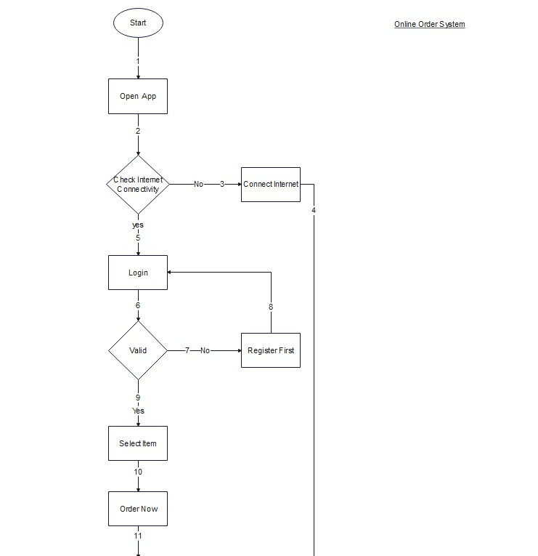
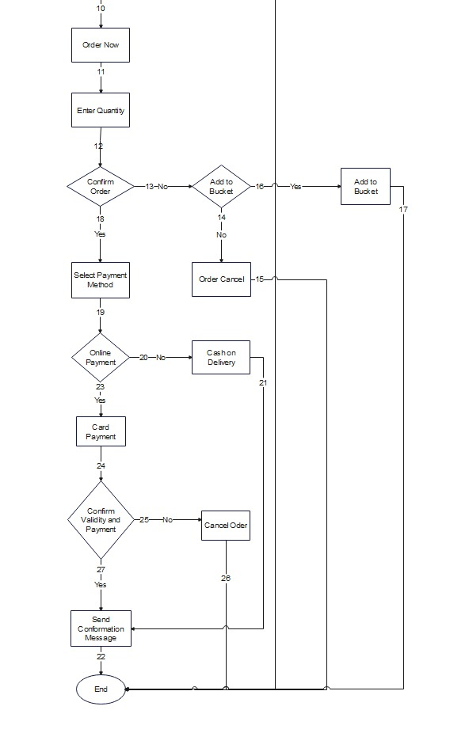
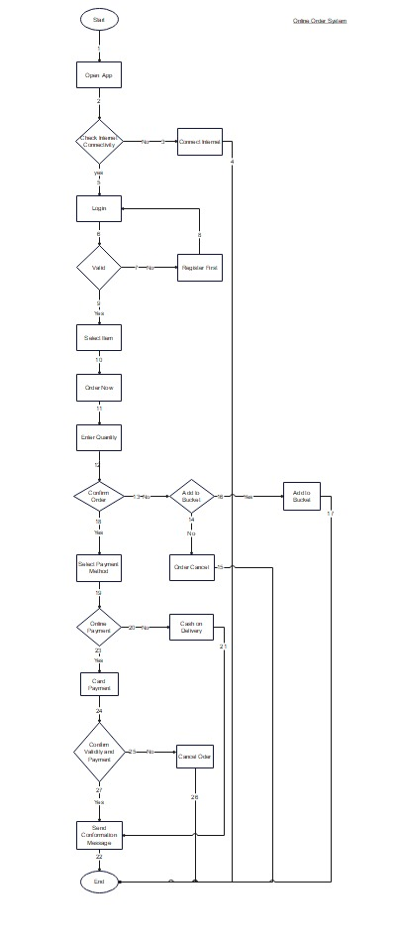
Input Variables
First name
Last Name
Email
Password
Address
Phone Number
Cradit Card
Quantity

